Sheet1
 | City of Corpus Christi
 | Finance and Business Analysis Department

TMRS Actuarial Value of Assets Versus Actuarial Accrued Liabilities

 |  | FY2015 | FY2016 | FY2017 | FY2018 | FY2019 | FY2020
Actuarial Value of Assets |  | $635,326,206 | $662,006,878 | $698,509,065 | $730,891,816 | $768,661,048 | $805,750,856
Actuarial Accrued Liability |  | $706,468,872 | $729,091,722 | $755,478,558 | $985,885,373 | $915,697,671 | $938,010,453

Sheet2
City of Corpus Christi: Actuarial Value of Assets Versus Actuarial Accrued Liabilities

 |  | Actuarial Accrued Liability | Actuarial Value of Assets

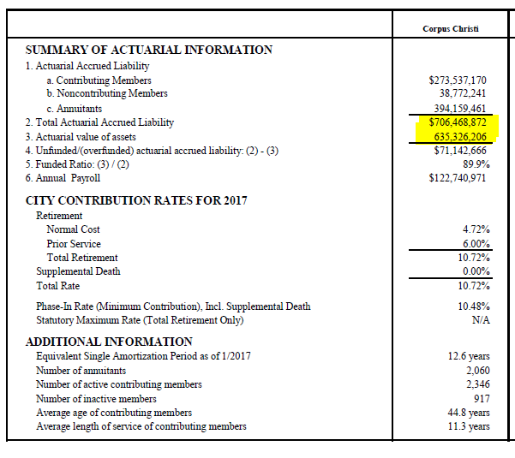
 | FY2015

 |  | $706,468,872
 |  |  | $635,326,206

 | FY2016

 |  | $729,091,722
 |  |  | $662,006,878

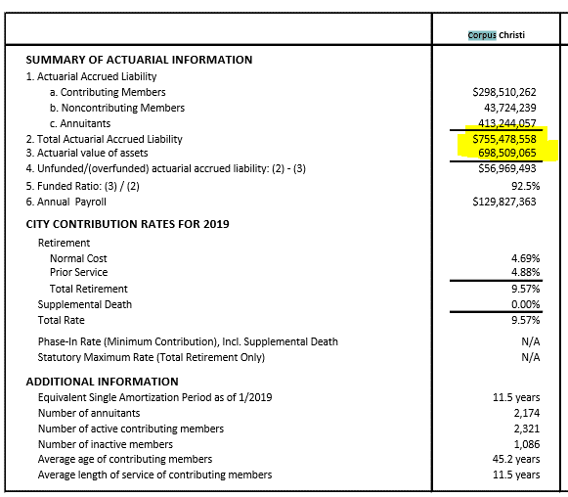
 | 2017

 |  | $755,478,558
 |  |  | $698,509,065

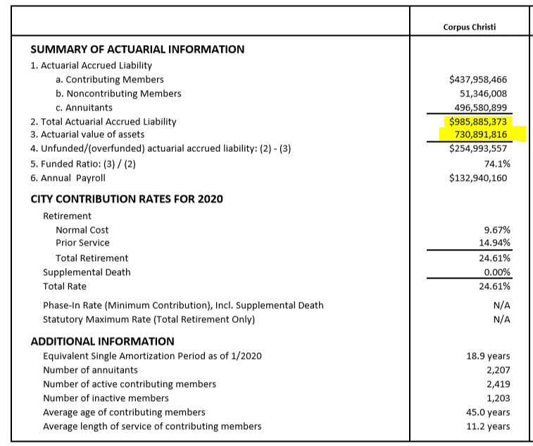
 | 2018

 |  | $985,885,373
 |  |  | $730,891,816

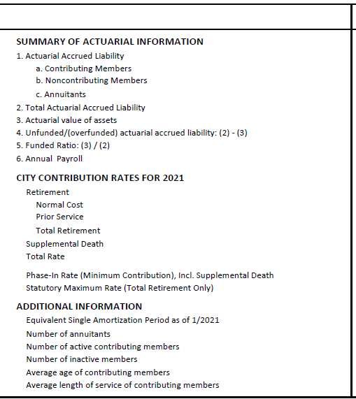
 | 2019

 |  | $915,697,671
 |  |  | $768,661,048

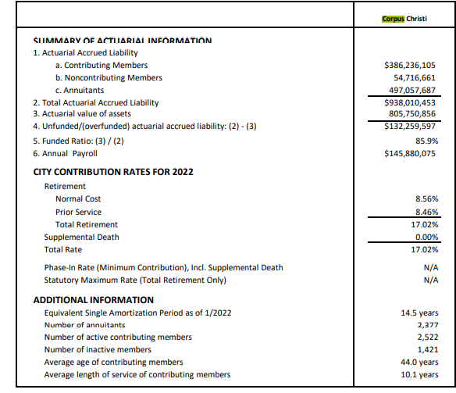
 | 2020

 |  | $938,010,453
 |  |  | $805,750,856

 |  | $4,324,163,777 | $3,665,819,663
 |  | $4,324,163,777 | $3,665,819,663
 |  | $- | $-

