Chart

City of Corpus Christi
Finance & Procurement Department

TMRS Actuarial Value of Assets Versus Actuarial Accrued Liabilities

Revised: 07/2023

 | FY2017 | FY2018 | FY2019 | FY2020 | FY2021 | FY2022
Actuarial Value of Assets | $698,509,065 | $730,891,816 | $768,661,048 | $805,750,856 | $850,516,877 | $888,510,627
Actuarial Accrued Liability | $755,478,558 | $985,885,373 | $915,697,671 | $938,010,453 | $973,575,995 | $1,015,208,030

Detail
City of Corpus Christi: Actuarial Value of Assets Versus Actuarial Accrued Liabilities

 |  | Actuarial Accrued Liability | Actuarial Value of Assets

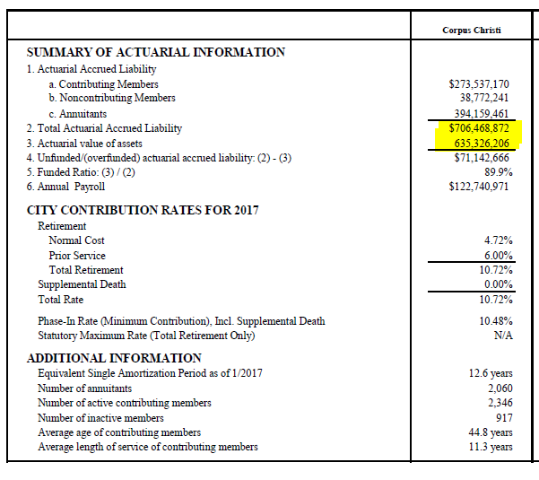
 | FY2015

 |  | $706,468,872
 |  |  | $635,326,206

 | FY2016

 |  | $729,091,722
 |  |  | $662,006,878

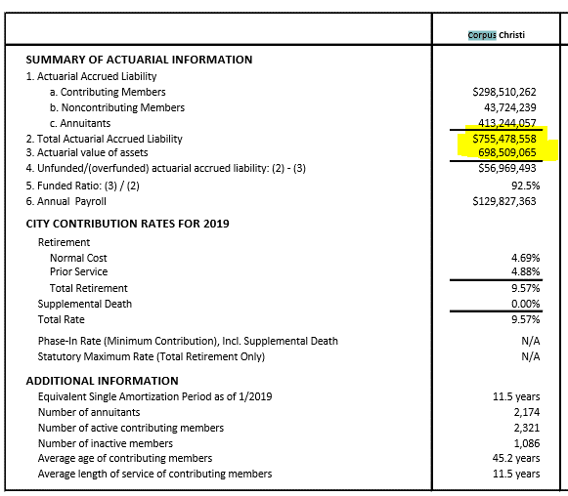
 | 2017

 |  | $755,478,558
 |  |  | $698,509,065

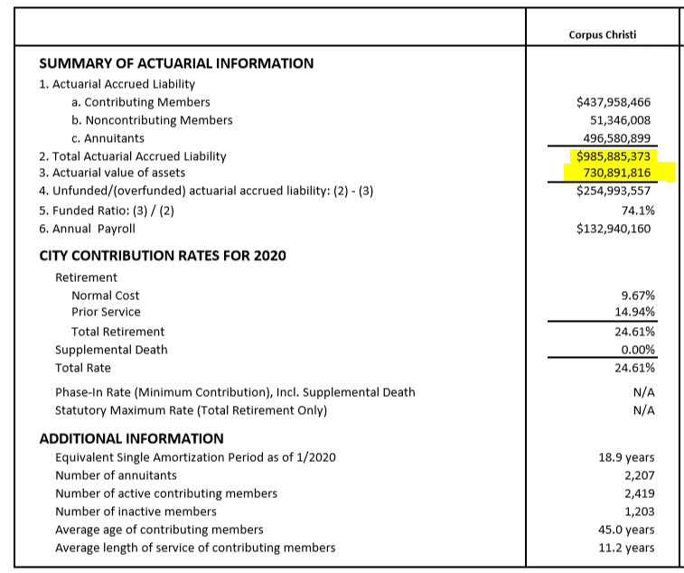
 | 2018

 |  | $985,885,373
 |  |  | $730,891,816

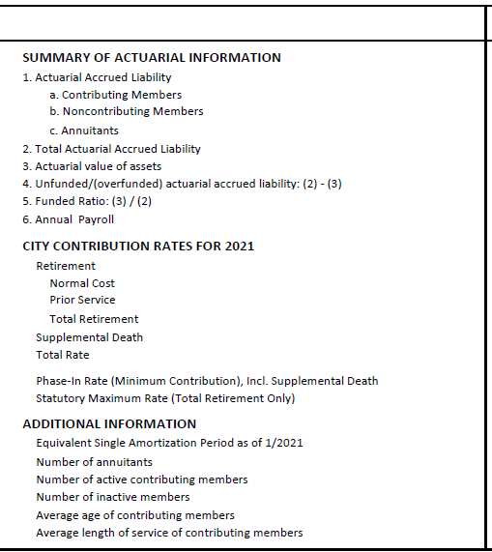
 | 2019

 |  | $915,697,671
 |  |  | $768,661,048

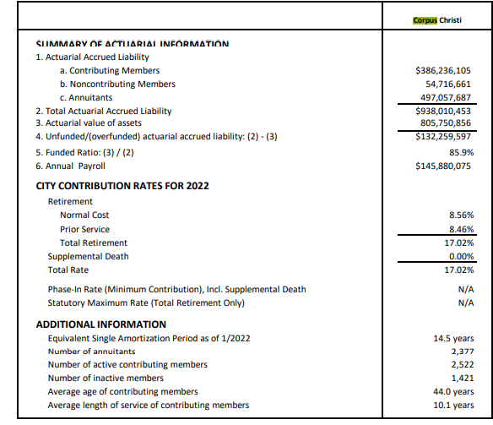
 | 2020

 |  | $938,010,453
 |  |  | $805,750,856

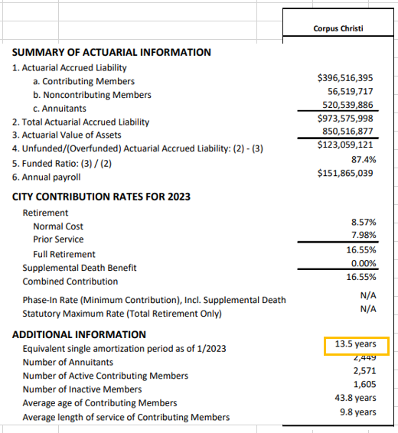
 | 2021

 |  | $973,575,995
 |  |  | $850,516,877

 | 2022
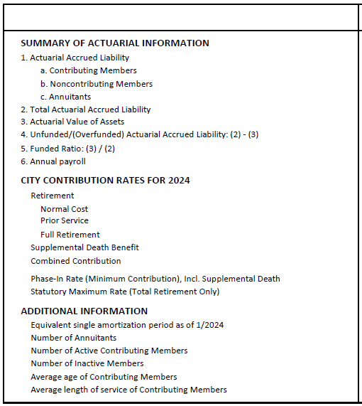

 |  | $1,015,208,030
 |  |  | $888,510,627

 |  | $5,583,856,080 | $4,742,840,289 | *Reflects 5 years
 |  | $5,583,856,080 | $4,742,840,289 | *Reflects 5 years
 |  | $- | $-

